Sheet1
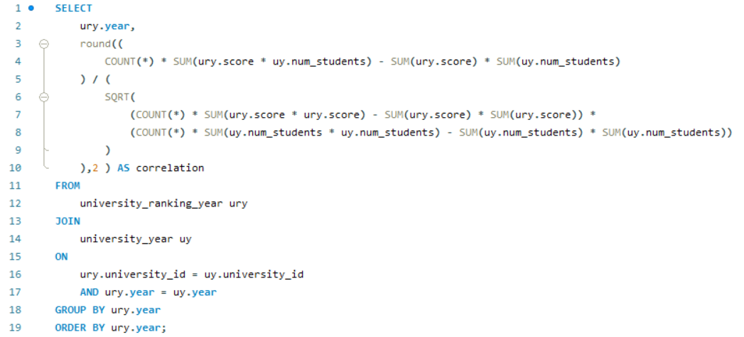
Is there a relationship between a university's ranking score and the number of students over time?

Sheet2
year | correlation
2011 | -0.1
2012 | -0.01
2013 | -0.03
2014 | -0.17
2015 | -0.15
2016 | -0.07

The result will show the correlation between the ranking score and the number of students for each year. From the result table we conclude that there is Negative Correlation

